25-BIGY-150-STD
BIKE CODE FOR ORDERS |  | 25-BIGY-150-STD | BIKE DESCRIPTION NAME | YCF BIGY-150 2025 | CONTROL STATUS
EFFECTED DATE(D/M/Y) |  | 27/11/2024 | VERSION | 2025A0
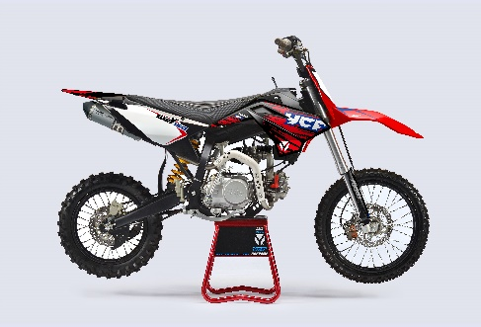
Handle bar assembly |  |  |  |  |  | AB
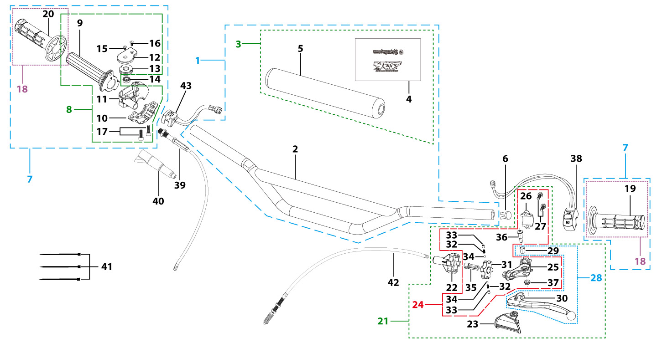
N° | Ref. | Description | Français | Picture | Qty/Bike | Rep. Pst.
2 | YC110-0101-16-BK | Handle Bar chromoly L=780mm d=22.2mm BIGY125, with cross bar, embossed, Black | Guidon chromoly BIGY125 L=780mm d=22.2mm |  | 1
3 | YC110-0132 | Complete Bar Pad for Chromolly Handlebar L=250mm START Black-WHITE | Mousse guidon complete pour guidon Chromolly L=250mm Noir-BLANC |  | 1
6 | YC110-0153-01 | Handle bar plastic cap,Nylon,Black | Embout plastique de guidon,nylon,Noir |  | 1
7 | YC110-0138-03 | Complete Throttle Assy. (Without adjusting bolts)+set of grip ( YCF LOGO) GREY | Poignee gaz complete YCF 2020 avec Paire de poignée YCF GRIS 2020 |  | 1
15 | GB819-M4x14 | Countersunk cross head machine screw,stainless steel, M4x14mm | Vis à tête fraisée plate cruciforme,inox, M4x14mm |  | 1
16 | GB819-M4x20 | Countersunk cross head machine screw,stainless steel, M4x20mm | Vis à tête fraisée plate cruciforme,inox, M4x20mm |  | 1
17 | GB70-M6x25 | HEXAGON SOCKET Head Bolt, stainless steel, M6x25mm | Vis Allen (BTR)inox, M6x25mm |  | 2
18 | PPC011-GY | set of grip 2020 (YCF LOGO) Grey | Paire de poignée caoutchouc 2020 (YCF LOGO) GRISE |  | 1
21 | YC110-0135-02 | clutch adjustable complete bracket with lever 2020 GREY | Cocotte reglage rapide avec levier embrayage 2020 GRIS |  | 1
22 | YC110-0151-03 | Rubber on clutch lever adjustable screw 2020 | Caoutchouc levier embrayage molette reglage2020 |  | 1
23 | YC110-0136-02 | Rubber on clutch lever adjustable START | Caoutchouc levier embrayage reglable START |  | 1
24 | YC110-0134-04 | Clutch bracket Assy Aluminium 2020 GREY | Cocotte embrayage complete 2020 GRIS |  | 1
27 | BT08-M6x20-W | HEXAGON Torx screw with Flange M6x20mm | Vis HEXAGONALE Torx avec Flange M6x20mm |  | 2
28 | YC110-0103-07 | Clutch lever 2020 Aluminium (with FB13-8x10x10.5-Cu 1EA FB13-8x10x9.4-Cu 1EA FB20-10x16x1 1EA) complete with bushings | Levier embrayage 2020 Aluminium (avec FB13-8x10x10.5-Cu 1EA FB13-8x10x9.4-Cu 1EA FB20-10x16x1 1EA) avec entretoises |  | 1
36 | 27-06025B | Hex.bolt with flanged M6x25mm (Step M8x13mm) | vis M6x25mm (deport M8x13mm) |  | 1
37 | GB6177-06000B | HEXAGON FLAT FLANGE NUT M6 | ecrou cloche embrayage M6 pour Levier embrayage |  | 1
38 | YC110-0105-15 | Kill Switch ON/OFF L=580mm Waterproof | Coupe circuit on off L=580mm ETANCHE |  | 1
39 | YC110-0106-18 | Throttle Cable L=960mm A+B=120mm | Cable gaz L=960mm A+B=120mm |  | 1
40 | YC110-0143-01 | Rubber on trottle cable | Protection caoutchouc cable de gas |  | 1
41 | YC110-01-03-BK | Cable tie,nylon, L=150mm Black | collier maintien cable, nylon, L=150mm Noir |  | 2
42 | YC110-0109-06 | Clutch Cable Assy. L=1000mm A+B=105mm, non-adjustable | Cable embrayage L=1000mm A+B=105mm,Non réglable |  | 1
Steering stem assembly |  |  |  |  |  | AB

N° | Ref. | Description | Français | Picture | Qty/Bike | Rep. Pst.
1 | YC110-02-053-BK | Complete Triple Clamp L=160mm Steering stem=233mm SP2 2020 MATT Black | Te Fourche Complet L=160mm colonne direction=233mm SP2 2020 Noir MAT |  | 1
2 | YC110-0201-03 | Steering stem L=233mm | tige colonne direction L=233mm |  | 1
3 | YC110-0202-56-BK | Lower triple clamp L=160mm d48mm H=28mm START/PILOT 2020 MATT Black | té fourche inferieur L=160mm d48mm H=28mm START/PILOT 2020 Noir MAT |  | 1
4 | YC110-0201-56-BK | Top Triple Clamp L=160mm d45mm H=28mm START/PILOT 2022, 3 ADJUSTEBLE POSITIONS,MATT Black | té fourche supérieur L=160mm d45mm H=28mm START/PILOT 2022, REGLAGE 3 POSITIONS,Noir MAT
5 | YC110-0203-035 | Set of Bar mount d22.2mm /H=top 18mm+bottom 55mm START 2020(with GB70-M10x50x1.5W 2EA+BT08-M8x30-W 4EA)Black | jeu pontet guidon d22.2mm /H=supérieur 18mm+inferieur 55mm START 2020(avec GB70-M10x50x1.5W 2EA+BT08-M8x30-W 4EA) Noir |  | 1
6 | YC110-0203-32 | Lower Bar Mount CNC d=22.2mm H=55mm START 2020 Black | Pontet guidon inférieur d=22.2mm H=55mm START 2020 Noir |  | 2
7 | YC110-0201-02 | Top Bar Mout CNC d=22.2 mm H=18mm START 2020 Black | pontet guidon supérieur d=22.2mm H=18mm START 2020 Noir |  | 2
8 | BT08-M6x25-W | HEXAGON Torx screw with Flange M6x25mm | Vis HEXAGONALE Torx avec Flange M6x25mm |  | 8
9 | BT08-M8x30-W | HEXAGON Torx screw with Flange M8x30mm | Vis HEXAGONALE Torx avec Flange M8x30mm |  | 4
10 | GB70-M10x50x1.5-W | HEXAGON SOCKET Head Bolt,steel, M10x50mmx1.5mm | Vis Allen (BTR),acier, M10x50mmx1.5mm |  | 2
11 | YC110-0212-09-RD | Front Number Plate BIGY 2025 complete RED | PLAQUE AVANT BIGY 2025 complete ROUGE |  | 1
13 | BT08-M6x12-W | HEXAGON Torx screw with Flange M6x12mm | Vis HEXAGONALE Torx avec Flange M6x12mm |  | 1
14 | GB97-d6-W | Flat washer,steel d6mm | Rondelle plate,acier d6mm |  | 1
15 | GBT5787-M6x16-6-W | Hex. Bolt with flanged M6x16mm (step 6mm) steel | Vis avec epaulement M6x16mm (deport 6mm) acier |  | 1
16 | YC110-0213-12 | Front plastic plate to hold cables 75mmx80mm | Plaque avant plastique maintien cables 75mmx80mm |  | 1
17 | YC110-0213-08 | Number plate bracket 18mmx55mm START 2014 | support plaque avant 18mmx55mm START 2014 |  | 1
18 | YC110-0214-01-WH | Complete Break Line Retainer (with GB818-M4x10-W 2EA+GB97-d4-W 2EA) White | guide durite avec vis sur plaque avant complet (avec GB818-M4x10-W 2EA+GB97-d4-W 2EA) Blanc |  | 1
20 | GB97-d4-W | Flat washer,steel d4mm | Rondelle plate,acier d4mm |  | 2
21 | GB818-M4x10-W | Pan / Round head cross machine screw M4x10mm | Vis à tête ronde cruciforme M4x10mm |  | 2
22 | KRDIRECTION46 | set of bearing for steering 46/23.5、46/22 | Kit rlt colonne direction 46/23.5、46/22 |  | 1
25 | YC110-02-09 | Top nut for steering,steel, d=54.5mm | écrou crantellé colonne direction steel d=54.5mm |  | 1
26 | YC110-02-10 | Washer for steering stem nut, stainless steel, d22mmxd37mmx0.7mm | joint colonne direction,inox, d22mmxd37mmx0.7mm |  | 1
27 | YC110-02-11 | Nut for steering stem,steel, M22x1.0mm | écrou supérieur colnne direction ,acier, M22x1.0mm |  | 1
28 | YC110-01-08-BK | Cable tie, PA66 L=80mm ADJUSTABLE Black | Collier maintien cable,PA66 L=80mm ADJUSTABLE Noir |  | 2
29 | YC110-02-20 | Washer for steering stem nut d22mm (top)/d24mm (bottom)-d47mm | Joint pour colonne direction d22mm (haut)/d24mm (bas) -d47mm |  | 1
Front Fender |  |  |  |  |  | AB

N° | Ref. | Description | Français | Picture | Qty/Bike | Rep. Pst.
1 | YC110-032-10-RD | Front Fender BIGY 2020 Wide RED | gb avant BIGY 2020 Large ROUGE |  | 1
3 | GBT5787-M6x16-6-W | Hex. Bolt with flanged M6x16mm (step 6mm) steel | Vis avec epaulement M6x16mm (deport 6mm) acier |  | 3
4 | GBT5787-M6x16-3-W | HEXAGON screw with Flange with half thread M6x16mmx3mm | Vis HEXAGONALE avec Flange et deport M6x16mmx3mm |  | 2
Front & Rear absorber |  |  |  |  |  | AB
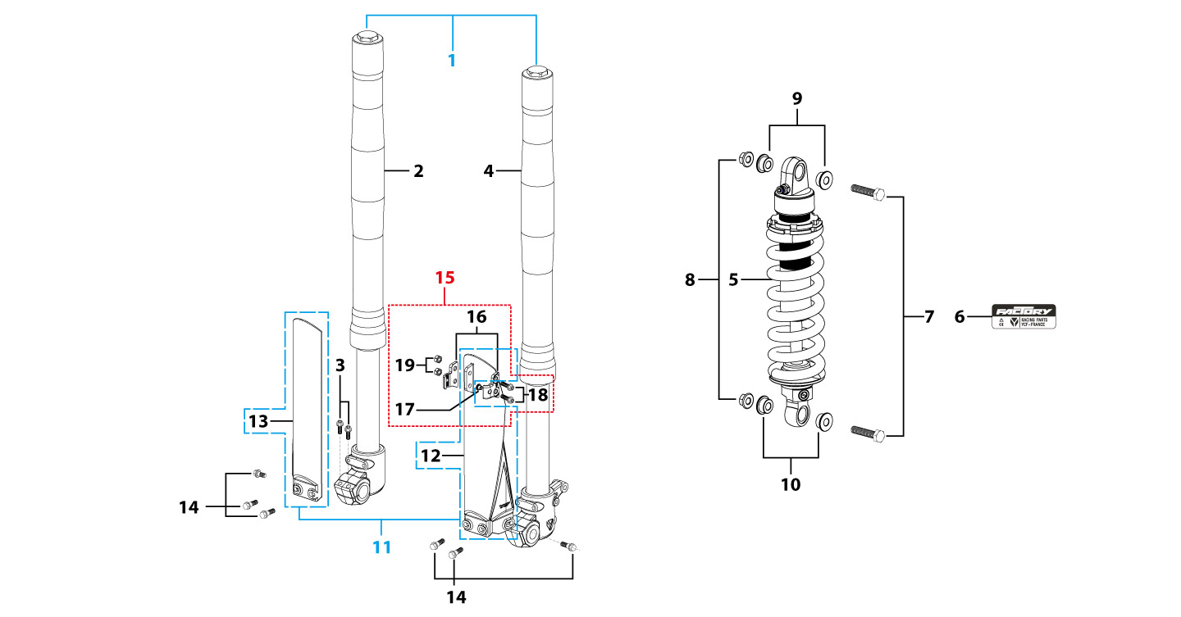
N° | Ref. | Description | Français | Picture | Qty/Bike | Rep. Pst.
1 | YC110-0400-33 | Pair of fork L=785mm (not adjustable) GREY 2020 | Jeu de fourche (non ajustable) L=785mm GRIS 2020 |  | 1
2 | YC110-0401-2301 | Front right fork L=785mm BIGY 2020 TITAN cylinder, Chrome tube, silver base | Tube fourche droit L=785mm GRIS 2020 |  | 1
3 | BT08-M6x30-W | HEXAGON Torx screw with Flange M6x30mm | Vis HEXAGONALE Torx avec Flange M6x30mm |  | 2
4 | YC110-0402-2301 | Front left fork L=785mm (not adjustable) GREY | Tube fourche gauche L=785mm GRIS |  | 1
5 | YC110-0404-67 | Shock absorber 355mmx800lbs KKE YELLOW | Amortisseur 355mmx800lbs KKE JAUNE |  | 1
6 | YC110-1909 | Sticker FACTORY Shock Absorber 34mmx13mm | Autocollant FACTORY Amortisseur 34mmx13mm |  | 1
7 | GB5789-M12x50-W-1.25 | HEXAGON screw with Flange M12x1.25x50mm | Vis HEXAGONALE avec Flange M12x1.25x50mm |  | 2
8 | GB6183-M12x1.25-Cr | Flanged nylon lock nut M12x1.25 Blue nylon chrome plated | Nylon de verrouillage en flange M12x1.25 Nylon Bleu Nylon |  | 2
9 | YC110-0417-02 | Shock top spacer d12mmxd16mmxd10mm T=2mm KKE | Entretoise haut amortisseur d12mmxd16mmxd10mm T=2mm KKE |  | 2
10 | YC110-0420 | Shock bottom spacer d12mmxd16mmxd20mmx10.9mm T=3mm | Entretoise bas amortisseur d12mmxd16mmxd20mmx10.9mm T=3mm |  | 2
11 | PFYCF12-BK | 735mm set of fork protection PP L=285mm Black | 735mm Jeu protection fourche PP L=285mm Noir |  | 1
14 | GBT5787-M6x14-5-W | Hex. Bolt with flanged M6x14mm (step 5 mm) steel | Vis avec epaulement M6x14mm (deport 5 mm ) acier |  | 6
15 | YC110-0403-05 | Complete Oil steel line retainer on left front fork PP START Black | Complet Passe durite sur protection fourche gauche PP START Noir |  | 1
18 | BT08-M6x20-W | HEXAGON Torx screw with Flange M6x20mm | Vis HEXAGONALE Torx avec Flange M6x20mm |  | 2
19 | GB6170-M6-W | HEXAGON Nut M6mm steel | Ecrou HEXAGONAL M6mm acier |  | 2
Front Brake Assy |  |  |  |  |  | AB

N° | Ref. | Description | Français | Picture | Qty/Bike | Rep. Pst.
1 | YC110-0501-3301 | Front brake assy 2 pumps L=1170mm d10mm/d10mm w/t TTR 125A asbestos 2016 | Kit frein avant 2 pistons avec gaine plastic Noire L=1170mm d10mm/d10mm TTR 125A sans amiante 2016 |  | 1
2 | YC110-0501-0104-03 | Front Brake Reservoir for 2 pump piston d10mm PILOT 2020 | Maitre cylindre frein avant pour étrier 2 pistons d10mm PILOT 2020 |  | 1
3 | YC110-0517-01 | Front brake lever for 2 pump brake adjustable | levier frein ajustable |  | 1
4 | HB06-M6x30-G | Hex.bolt with flanged M6x30mm (Step M8x15mm) front front brake lever | vis M6x30mm (deport M8x15mm) |  | 1
5 | GB6184-M6-G | HEXAGON FLAT NYLON LOCK NUT M6-G | Ecrou HEXAGONAL autobloquant nylon M6-G |  | 1
6 | YC110-0515-01 | rubber for brake lever | caoutchouc levier frein avant |  | 1
8 | BT08-M6x20-W | HEXAGON Torx screw with Flange M6x20mm | Vis HEXAGONALE Torx avec Flange M6x20mm |  | 2
...
N° | Ref. | Description | Français | Picture | Qty/Bike | Rep. Pst.
10 | GB6187-M14-W | HEXAGON FLAT FLANGE LOCK NUT M14 steel | Ecrou HEXAGONAL avec Flange autobloquant M14 acier |  | 1
11 | YC110-1115-07 | Front disk d220mm (Screw hole d10.5mm) 2020 | disque frein avant d220mm (Trou de vis d10.5mm) 2020 |  | 1
12 | KVD-01 | Disk screws kit (contain GB70.2-M8x20-Cr 4EA) | KIT VIS DISQUE M8x20(lot 4) |  | 1
13 | GB70.2-M8x20-4 | Pan head hexagon screw M8x20mm inox | Vis à tête ronde Allen (BTR) M8x20mm inox |  | 4
14 | YC110-0617-39-BK | STEEL Rim for Front wheel 1.6x17' Black 2021 (SPOKES 4 mm - 8K) | Cerceau roue av 1.6x17' ACIER Noir 2021 (RAYONS 4 mm -8K) |  | 1
15 | 70/100-17P397 | YUANXING P397 Front Tyre 70/100-17' | Pneu avant Yuanxing 70/100-17' P397 |  | 1
16 | CHAMBRE17 | Tube for front tire 70/100/17' | Chambre air avant 70/100/17 ' |  | 1
18 | YC110-06-07 | tire lining for 18'x20 | fond jante av 18'x20 |  | 1
19 | JR17-18.4-8K | set of front spoke 1.60x17' (184mmx16+181mmx16) 8K(4.0mm) | Jeu rayon avant 1.60x17' (184mmx16+181mmx16) 8K(4.0mm) |  | 1
Fuel Tank |  |  |  |  |  | AB
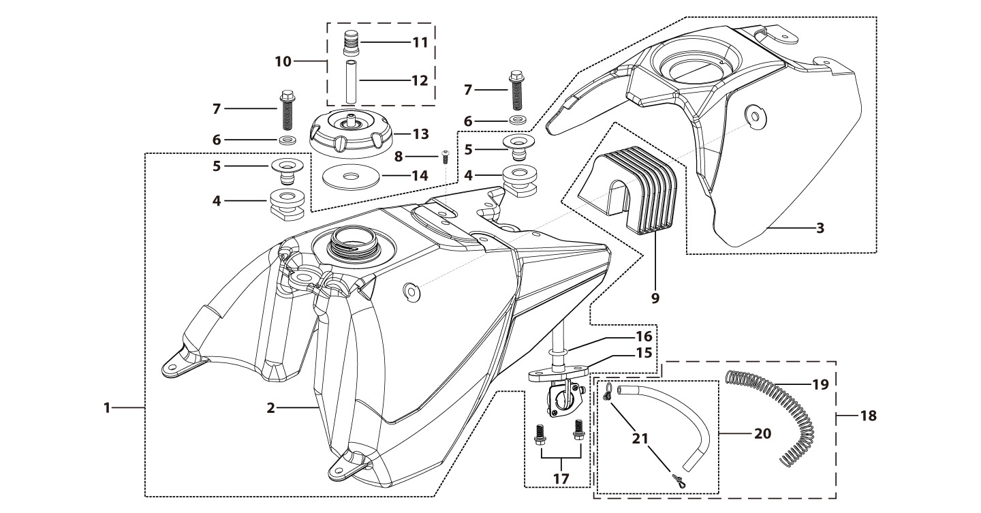
N° | Ref. | Description | Français | Picture | Qty/Bike | Rep. Pst.
1 | YC110-0718-03 | Complete fuel tank BIGY with grain 2025(with YC110-07-01 2EA+YC110-07-02 2EA) | Reservoir complet BIGY avec finition granulee 2025(avec YC110-07-01 2EA+YC110-07-02 2EA) |  | 1
2 | YC110-0719-01 | Reservoir cover Bigy Black with grain 2025 | Couvercle Reservoir Bigy Noir avec finition granulee 2025 |  | 1
3 | YC110-0701-04 | Fuel tank BIGY 2025 | Reservoir BIGY 2025 |  | 1
6 | YC110-0726-01 | Bushing d6.5mmxd9.5mmx5mm for seat fixation | Entretoise d6.5mmxd9.5mmx5mm pour fixation selle Bigy |  | 2
7 | BT08-M8x30-W | HEXAGON Torx screw with Flange M8x30mm | Vis HEXAGONALE Torx avec Flange M8x30mm |  | 2
8 | GB70.2-M6*12-G | Pan head hexagon screw M6x12mm-G | Vis à tête ronde Allen (BTR) M6x12mm-G |  | 1
9 | YC110-0722-01 | Fixing rubber block Fuel tank BIGY | Maintient Caoutchuc reservoir Bigy |  | 1
10 | YC125-0704-BK | Fuel tank valve complete L=40mm Black | Valve prise air complete L=40mm Noir |  | 1
13 | YC110-0702-01 | Tank cap plastic Ventilator d3mm | Bouchon reservoir plastique YCF d3mm |  | 1
15 | YC110-0703 | Fuel cock assy. | robinet essence |  | 1
17 | BT08-M6x12-W | HEXAGON Torx screw with Flange M6x12mm | Vis HEXAGONALE Torx avec Flange M6x12mm |  | 2
18 | YC110-0706 | fuel tank rubber line spring d4.5mmxd8.5mmx210mm | durite reservoir avec ressort d4.5mmxd8.5mmx210mm |  | 1
Air Filter |  |  |  |  |  | AB
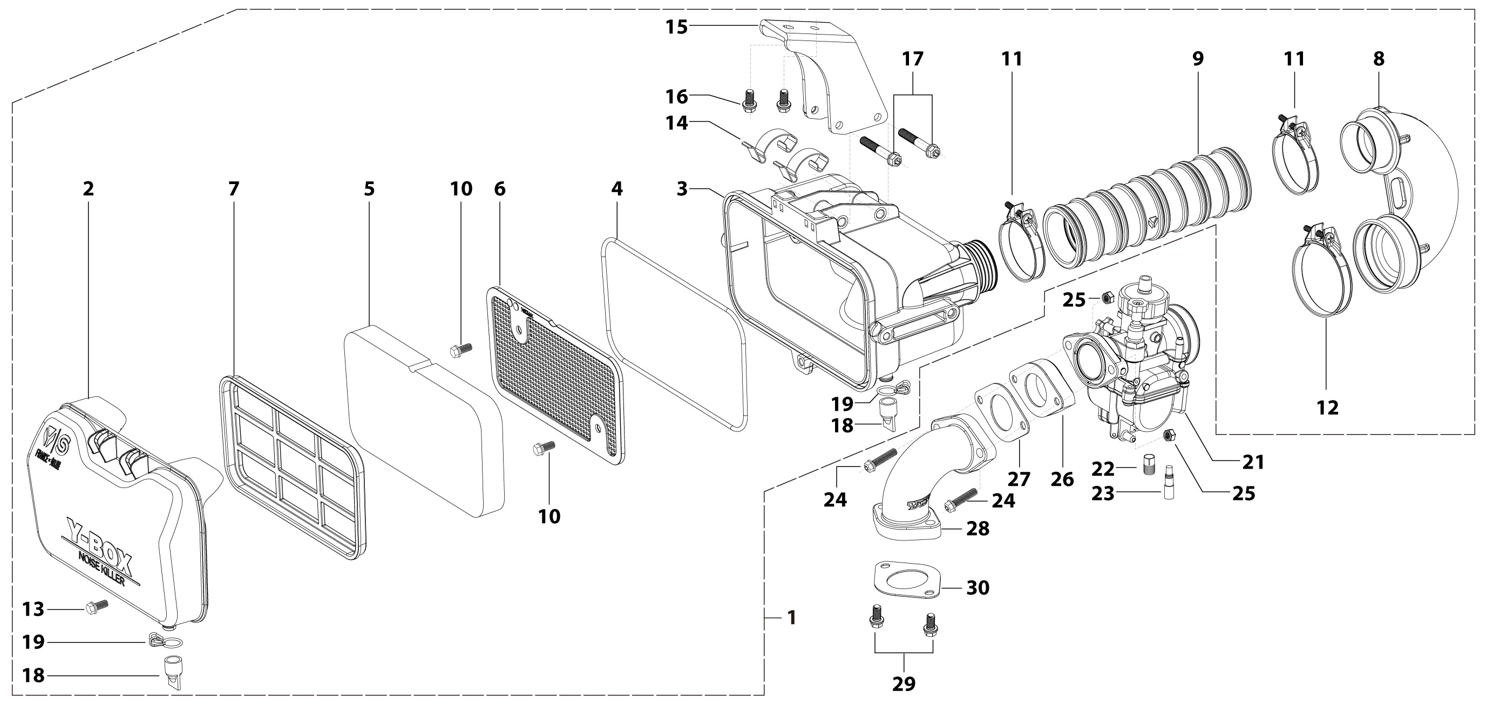
N° | Ref. | Description | Français | Picture | Qty/Bike | Rep. Pst.
1 | YC110-0801-12-BK | YCF Air box complete assembly PPZ20 for SM/PILOT/BIGY/GP/SUNDAY General Black 2025 | Boite a air YCF complete PPZ20 pour SM/PILOT/BIGY/GP/SUNDAY general Noir 2025
5 | YC110-0817-08 | Air filter sponge retardant sponge 179mmx94mmx20mm for YCF air box 2025 | Mousse de filtre ignifuge 179mmx94mmx20mm pour boite a air YCF 2025 |  | 1
8 | YC110-0823-09 | Air box rubber sleeve 90° 2025 | Manchon 90° de boite a air caoutchouc 2025 |  | 1
9 | YC110-0823-10 | Air box connection rubber sleeve 2025 can shrink | Manchon de boite à air caoutchouc 2025 |  | 1
10 | GB5787-M6x12-W | HEXAGON screw with Flange M6x12mm steel | Vis HEXAGONALE avec Flange M6x12mm acier |  | 2
11 | YC110-0805-05 | HOSE CLAMP d46mm KIZ | COLLIER DE SERRAGE FILTRE d46mm KIZ |  | 2
12 | YC110-0805-06 | HOSE CLAMP d54mm RS | COLLIER DE SERRAGE FILTRE d54mm RS |  | 1
13 | GB5787-M6x12-W | HEXAGON screw with Flange M6x12mm steel | Vis HEXAGONALE avec Flange M6x12mm acier |  | 1
15 | YC110-0825-0303-BK | Air filter mounting bracket Q235 83.2mmx67.8mmx35mm BIGY 2025 Black | Support de filtre à air Q235 83.2mmx67.8mmx35mm BIGY 2025 Noir |  | 1
...
N° | Ref. | Description | Français | Picture | Qty/Bike | Rep. Pst.
22 | LK-PE-112 | Main Jet 112 PE Nibbi | Gicleur principal 112 PE Nibbi |  | 1
23 | LK-FLK-40 | Slow Jet 40 FLK Nibbi | Gicleur ralenti 40 FLK Nibbi |  | 1
24 | BT08-M6x35-W | HEXAGON Torx screw with Flange M6x35mm | Vis HEXAGONALE Torx avec Flange M6x35mm |  | 2
25 | GB6170-M6-W | HEXAGON Nut M6mm steel | Ecrou HEXAGONAL M6mm acier |  | 2
26 | F00C039 | carburettor isolating gasket d27.5mm | joint plastique carburateur d27.5mm |  | 1
27 | 17332 | carburettor paper gasket d28mm | joint papier carburateur d28mm |  | 1
28 | 17311-6-01 | Inlet pipe bending In order to install 2025 empty filter B125/B150/BF150E/SP2 Engine mounting surface d=10mm | Pipe admission pour 2025 sur filtre vide B125/B150/BF150E/SP2 Plaque de montage moteur d=10mm |  | 1
29 | BT08-M6x20-W | HEXAGON Torx screw with Flange M6x20mm | Vis HEXAGONALE Torx avec Flange M6x20mm |  | 2
30 | 17332/152FMH01 | Intake Gasket | JT PAPIER PIPE ADMISSION |  | 1
Foot Peg assy |  |  |  |  |  | AB
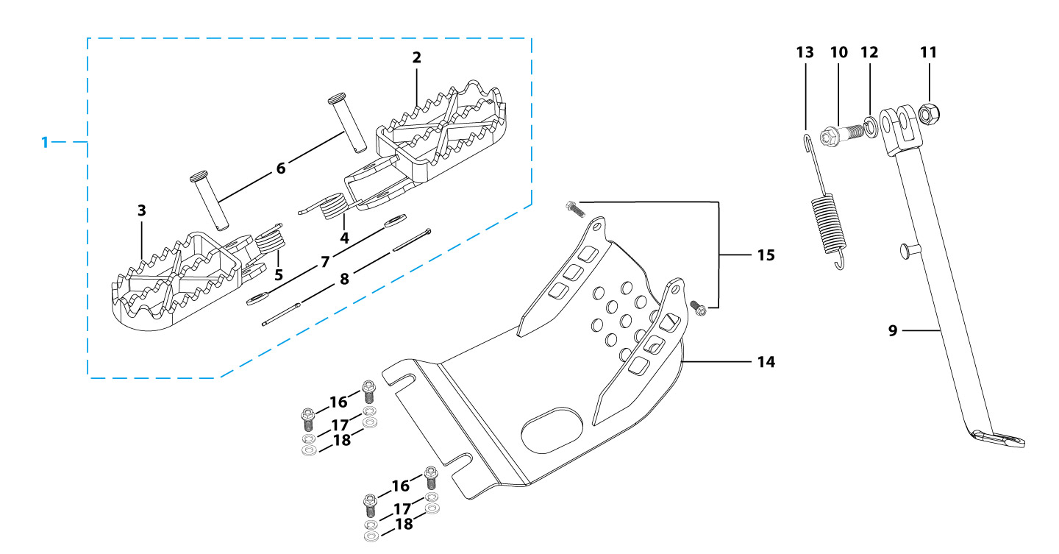
N° | Ref. | Description | Français | Picture | Qty/Bike | Rep. Pst.
1 | YC110-0902-17 | Steel foot pegs set START / PILOT 2022 GREY | Jeu repose pied Acier START / PILOT 2022 GRIS |  | 1
4 | YC110-09-01 | Spring for right steel foot peg d2mmxd17mmx12mm | ressort repose pied droit acier d2mmxd17mmx12mm |  | 1
5 | YC110-09-02 | Spring for left steel foot peg d2mmxd17mmx12mm | ressort repose pied gauche acier d2mmxd17mmx12mm |  | 1
6 | GB882-d8x43-W | shaft pin for steel footpegs d8mmx43mm | axe repose pied acier d8mmx43mm |  | 2
7 | GB97-d8-W | Flat washer,steel d8mm | Rondelle plate,acier d8mm |  | 2
8 | GB91-d2x25-W | Split pin d2.0mmx25mm | Goupille d2.0mmx25mm |  | 2
9 | YC110-0904-07 | Kick stand L=340mm Black | bequille L=340mm Noir |  | 1
10 | FB02-M10x1.5x30I | Stepped screw M10x35mm for kick stand (step 1.5) | vis bequille M10x35mm (pas1.5) |  | 1
11 | GB6172-M10-G | HEXAGON Nut M10 for #17 sleeve | Ecrou HEXAGONAL M10 for #17 sleeve |  | 1
12 | GB93-d10-W | Spring Lock Washers d10mm | Rondelle a ressort d10mm |  | 1
13 | YC110-19-01 | spring for kick stand d2.5mmxd15mmx105mm | ressort bequille d2.5mmxd15mmx105mm |  | 1
14 | YC110-207-11 | Engine skid plate Steel BIGY125/150 2022 T=3mm Black #7 | SABOT ACIER BIGY125/150 2022 T=3mm Noir #7 |  | 1
15 | BT08-M6x16-W | HEXAGON Torx screw with Flange M6x16mm | Vis HEXAGONALE Torx avec Flange M6x16mm |  | 2
16 | BT08-M8x25-W | HEXAGON Torx screw with Flange M8x25mm | Vis HEXAGONALE Torx avec Flange M8x25mm |  | 4
17 | GB93-d8-W | Spring Lock Washers d8mm | Rondelle a ressort d8mm |  | 4
18 | GB97-d8-W | Flat washer,steel d8mm | Rondelle plate,acier d8mm |  | 4
Swing Arm assy |  |  |  |  |  | AB
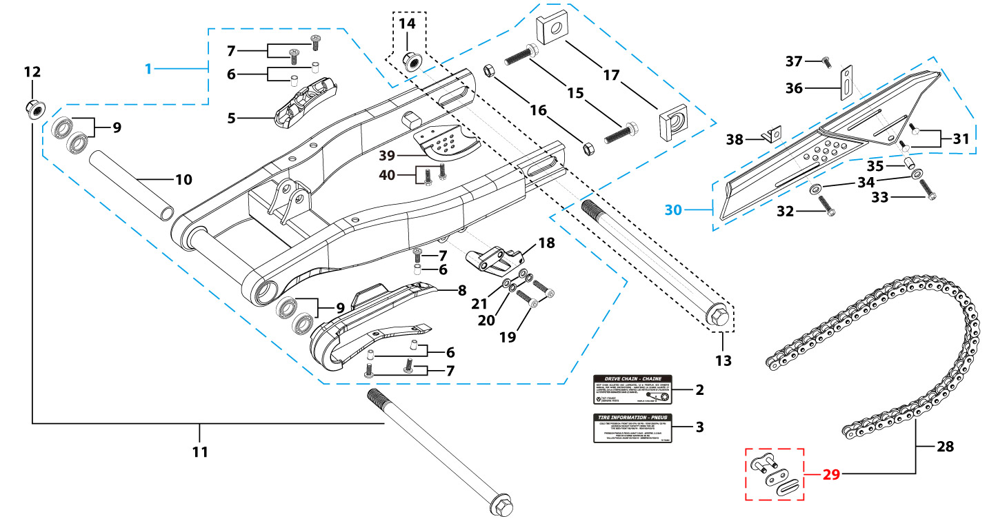
N° | Ref. | Description | Français | Picture | Qty/Bike | Rep. Pst.
1 | YC110-1001-1501 | Mono swing arm Steel Black L=460mm BIGY 2020/ BEARING d15mm | Bras oscillant Acier mono Acier Noir L=460mm BIGY 2020/ Roulements d15mm |  | 1
5 | YC110-10-015-BK | Rear brake hose guide 2020 Black | Passe durite de frein arriere sur bras oscillant 2020 Noir |  | 1
7 | DIN7985-M6x16 | Screw M6x16mm inox | Vis M6x16mm inox |  | 5
8 | YC110-10-025 | Chain slider for Steel / Alum swing arm PU PILOT/SP/BIGY/SUNDAY/MINI GP and START/SM125/W88E (360/390 mm) | Patin chaine pour bras Acier / Alu 420/460 mm PU PILOT/SP/BIGY/SUNDAY/MINI GP et START/SM125/W88E (360/390 mm) |  | 1
9 | 6902-NTN | Swing arm ball bearing 6902NTN d15mmxd28mmx7mm | Roulement bras oscillent NTN 6902 d15mmxd28mmx7mm |  | 4
10 | YC110-1007-10 | Central spacer swing arm Aluminium BIGY/PILOT/SM d16mmxd20mmx149mm | Entretoise centrale de bras oscillent BIGY/PILOT/SM d16mmxd20mmx149mm |  | 1
11 | YC110-1009-01 | Swing arm shaft with self lock nut M14 L=240mm d15 | axe bras oscillant d15 avec ecrou M14 L=240mm |  | 1
12 | GB6187-M14-W | HEXAGON FLAT FLANGE LOCK NUT M14 steel | Ecrou HEXAGONAL avec Flange autobloquant M14 acier |  | 1
13 | YC110-11-074 | Rear wheel axle L=215mm d15mm with Self locking nut M14 | axe roue arriere L=215mm d15mm avec ecrou M14 |  | 1
...
N° | Ref. | Description | Français | Picture | Qty/Bike | Rep. Pst.
32 | GB5787-M6x10-W | HEXAGON screw with Flange M6x10mm steel | Vis HEXAGONALE avec Flange M6x10mm acier |  | 1
33 | GB5787-M6x16-W | HEXAGON screw with Flange M6x16mm steel | Vis HEXAGONALE avec Flange M6x16mm acier |  | 1
34 | GB97-d6-W | Flat washer,steel d6mm | Rondelle plate,acier d6mm |  | 2
35 | FB13-7x12x5.5 | Bushing d7mmxd12mmx5.5mm for gearshift tube | Entretoise d7mmxd12mmx5.5mm pour tige de selecteur |  | 1
36 | YC110-0213-0401 | Number plate bracket long TOP 2020 | Support plaque avant 2020 |  | 1
37 | GB818-M6x12-W | Pan / Round head cross machine screw M6x12mm | Vis à tête ronde cruciforme M6x12mm |  | 1
38 | YC110-0600-021 | Chain box protection support (front) | Support avant Protection chaine plastique |  | 1
39 | YC110-1010 | Rear disk protection PILOT Black | Protection de disque arriere PILOT Noir |  | 1
40 | BT08-M6x12-W | HEXAGON Torx screw with Flange M6x12mm | Vis HEXAGONALE Torx avec Flange M6x12mm |  | 2
Rear Wheel Assy |  |  |  |  |  | AB
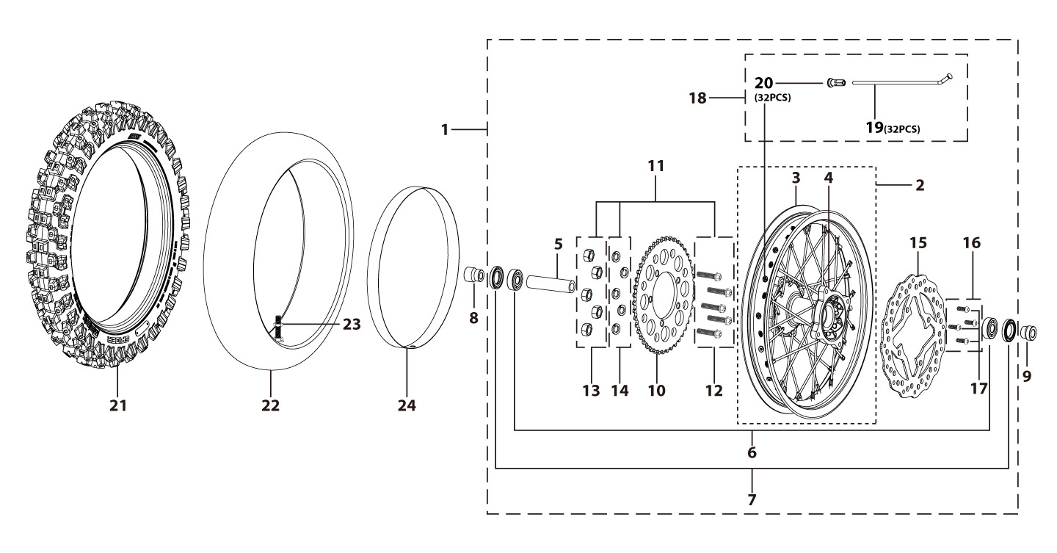
N° | Ref. | Description | Français | Picture | Qty/Bike | Rep. Pst.
1 | YC110-1101-2901-BK | Complete STEEL Rear wheel 1.85x14' with disk and sproket die cast hub 2021 (SPOKES 4 mm - 8K) 96140-6003-2Z bearing with spacers | Roue arriere complète ACIER 1.85x14' moyeux injecte avec disque et couronne 2021 (RAYONS 4 mm -8K) 96140-6003-2z roulement avec entretoises fixes |  | 1
3 | YC110-1107-29-BK | STEEL Rim 1.85x14' Black 2021 8K | Cerceau roue 1.85x14' ACIER Noir 2021 8K |  | 1
4 | YC110-1122-2901 | Rear wheel die cast hub with oil seal 2024 (SPOKES 4 mm - 8K) 96140-6003-2Z bearing with spacers | Moyeux arrière injectée avec joint spy 2024 (RAYONS 4 mm -8K) 96140-6003-2z roulement avec entretoises fixes |  | 1
5 | YC110-1101-0601 | Rear hub axle bushing 7075 d17mmxd24mmx74mm | Entretoise intérieur moyeux arrière 7075 d17mmxd24mmx74mm |  | 1
6 | 96140-6003-2Z | Ball bearing 6003 d17mmxd35mmx10mm | roulement roue 6003 d17mmxd35mmx10mm |  | 2
7 | YC110-0611 | OIL SEAL d23mmxd35mmx5mm | joint spy roue d23mmxd35mmx5mm |  | 2
8 | YC110-1112-06-GY | Rear wheel spacer left 7075 d15mmxd22mmx39mm with step d15mmxd17mmx15mm MATT GREY | Entretoise roue arriere gauche 7075 d15mmxd22mmx39mm avec epaulement d15mmxd17mmx15mm GRIS MAT |  | 1
9 | YC110-1111-06-GY | Rear wheel spacer right 7075 d15mmxd22mmx30mm with step d15mmxd17mmx15mm MATT GREY | Entretoise roue arriere droite 7075 d15mmxd22mmx30mm avec epaulement d15mmxd17mmx15mm GRIS MAT |  | 1
10 | YC110-11-062/45 | YCF Driven sprocket 420-45T 5 holes | Couronne acier 420-45T YCF 5 trous |  | 1
11 | KVC-2 | Rear sprocket screws kit M8x30mm (set of 5) (BT08-M8x30-W+GB6189-M8-W+GB93-d8-W) | Kit vis fraisees M8x30 (lot de 5) (BT08-M8x30-W+GB6189-M8-W+GB93-d8-W) |  | 1
15 | YC110-1115-06 | Rear disk d200mm d10.5mm 2020 | disque frein arriere d200mm d10.5mm 2020 |  | 1
16 | KVD-01 | Disk screws kit (contain GB70.2-M8x20-Cr 4EA) | KIT VIS DISQUE M8x20(lot 4) |  | 1
18 | JR14-15-8K | Set of spoke 1.85x14' rear wheel Casting hub (150mmx32) 8K（4.0mm） | jeu rayon arrière 1.85x14' (150mmx32)8K（4.0mm） |  | 1
21 | 90/100-146P398 | Rear tyre 90-100-14' Yuanxing | Pneu arriere 90-100-14' Yuanxing |  | 1
22 | CHAMBRE14-01 | Tube for Rear tire 90/100-14' | Chambre air 90/100-14' |  | 1
24 | YC110-11-06 | tire lining 20x14' | fond jante 20x14' |  | 1
REAR BRAKE |  |  |  |  |  | AB
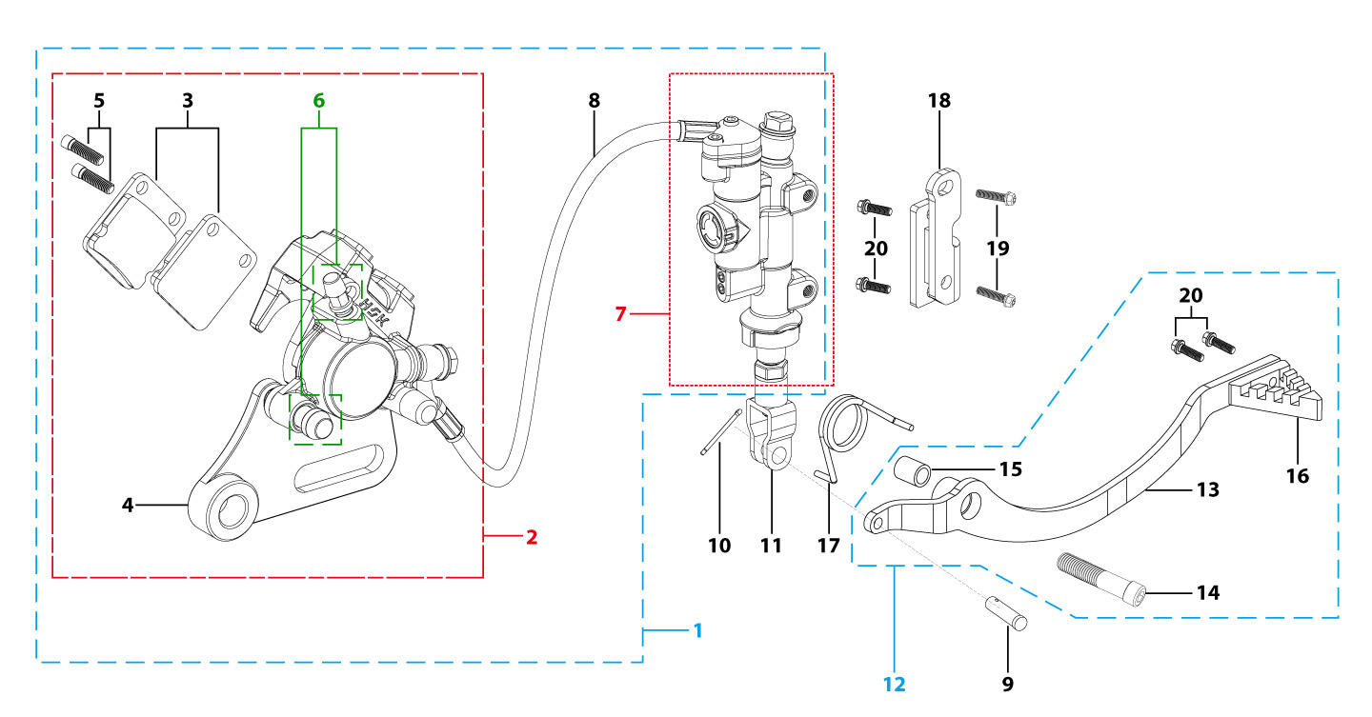
N° | Ref. | Description | Français | Picture | Qty/Bike | Rep. Pst.
1 | YC110-12012-2701 | Rear brake aasy 1 piston W/T asbestos d10mm/d10mm L=515mm 2020 | Kit frein arriere 1 piston avec gaine plastic SANS AMIANTE d10mm/d10mm L=515mm 2020 |  | 1
2 | YC110-1201-0401 | Rear Caliper 1 pistons d10 w/t asbestos 2020 | étrier frein arrière 1 piston d10 sans amiante 2020 |  | 1
3 | YC110-1204 | Friction pad for 1 piston brake asbestos START | Plaquette frein arrière 1 piston AMIANTE START |  | 2
4 | YC110-1201-01 | Rear brake bracket T=6mm | patte fixation étrier frein arriere T=6mm |  | 1
5 | YC110-1255 | caliper screw for front brake L=38mm Army green | vis plaquette frein avant L=38mm |  | 2
6 | YC110-120110 | rubber for rear caliper | jeu de caoutcgouc d'etrier frein arriere |  | 1
7 | YC110-1201024 | Rear reservoir d10mm（with stick L=42.5mm） | maitre cylindre frein arrière avec embout durite d10mm （with stick L=42.5mm） |  | 1
8 | YC110-1201063 | Oil steel tube L=515mm d10mm/d10mm BIGY 2020 | Durite frein arrière L=515mm d10mm/d10mm BIGY 2020 |  | 1
9 | GB882-d7x19-W | Pin shaft d7mmx19mm | axe d7mmx19mm |  | 1
...
N° | Ref. | Description | Français | Picture | Qty/Bike | Rep. Pst.
11 | YC110-1232-01 | Brake Clevis | Embout Maitre Cylindre de Frein Arriere |  | 1
12 | YC110-217-02 | Steel brake pedal PILOT / SM150 2020 （Parts:YC110-21-10+GB70-M6x20+YC110-1226+GB70.1-M10x35-B) | Pédale de frein Acier PILOT / SM150 2020 （Parts:YC110-1223-01+BT08-M6x16+YC110-1226+GB70.1-M10x35-w) |  | 1
14 | GB70.1-M10x35-B | Nut for brake pedal M10x35mm Black | vis pour pédale frein M10x35mm Noir |  | 1
15 | FB13-10x14x17-CW | bushing d10mmxd14mmx17mm | Entretoise d10mmxd14mmx17mm |  | 1
16 | YC110-1223-01 | Steel brake pedal end cap 2020 | embout pédale de frein Acier 2020 |  | 1
17 | YC110-21-01 | Spring for Steel brake pedal' d3.5mmxd34.5mmx11mm | ressort pour pédale de frein Acier d3.5mmxd34.5mmx11mm
18 | YC110-1215-07 | Mount for rear break reservoir "extern" H=23mm | fixation maitre cylindre frein arriere "externe" H=23mm |  | 1
19 | BT08-M6x16-W | HEXAGON Torx screw with Flange M6x16mm | Vis HEXAGONALE Torx avec Flange M6x16mm |  | 2
20 | BT08-M6x12-W | HEXAGON Torx screw with Flange M6x12mm | Vis HEXAGONALE Torx avec Flange M6x12mm |  | 4
Exhaust system |  |  |  |  |  | AB
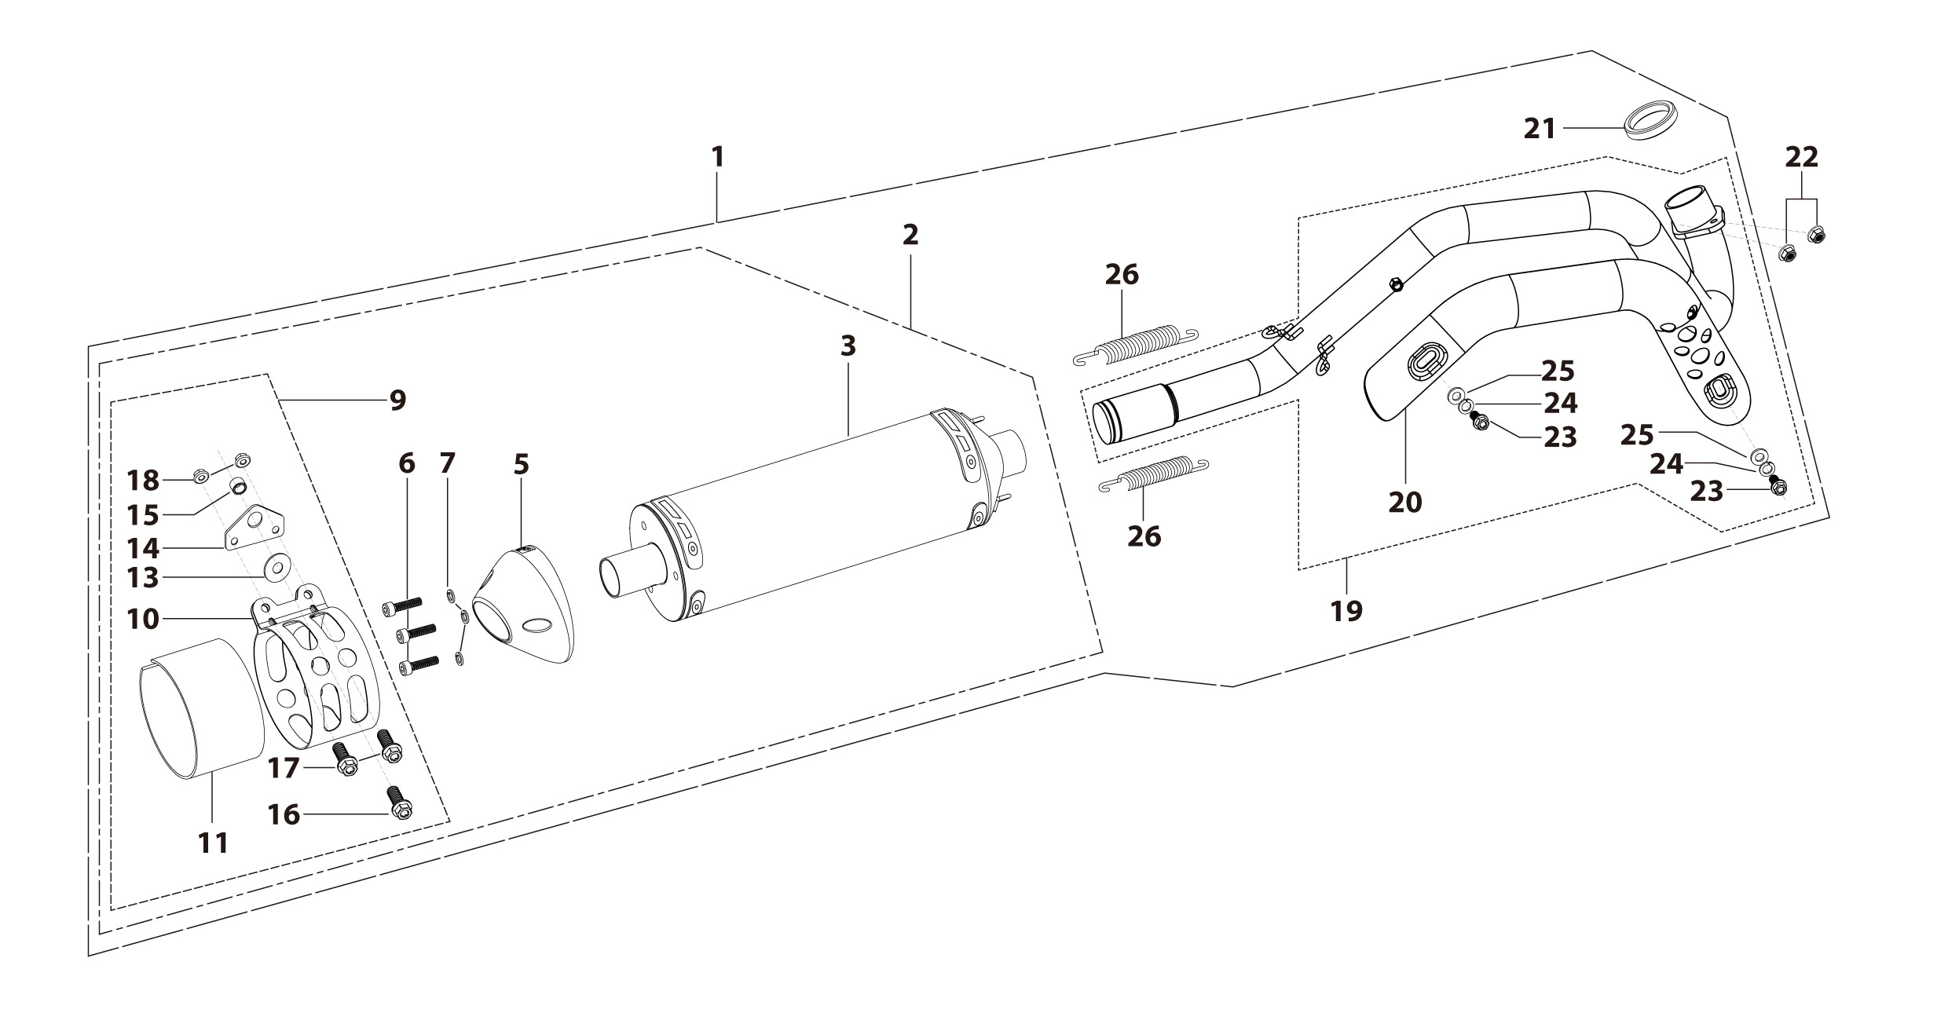
N° | Ref. | Description | Français | Picture | Qty/Bike | Rep. Pst.
1 | YC110-135-0202-01-GY | Muffler& Exhaust pipe assy YCF 94db (2 springs) BIGY125/150 2025 | Echapement complet YCF 94db (2 ressorts) BIGY125/150 2025 |  | 1
2 | YC110-13014-04-GY | Muffler RACING (2 springs) Logo+NK 2025 Grey | silencieux YCF SP3 RACING Logo+NK 2025 Dris |  | 1
5 | YC110-13-35 | Muffler end cap SPII | Embout silencieux racing SPII |  | 1
6 | GB70-M5x18-W | HEXAGON SOCKET Head Bolt,steel, M5x18mm | Vis Allen (BTR),acier, M5x18mm |  | 3
7 | GB93-d5 | Spring Lock Washers d5mm inox | Rondelle a ressort d5mm inox |  | 3
9 | YC110-1307-03 | Hoop for muffler YCF SPII/SPIII （with FB13-8x14x35-W 1EA+GB5787-M8x60-W 1EA） | Attache silencieux YCF SPII/SPIII 2015 (DROIT) |  | 1
16 | BT08-M8x25-W | HEXAGON Torx screw with Flange M8x25mm | Vis HEXAGONALE Torx avec Flange M8x25mm |  | 1
17 | BT08-M6x16-W | HEXAGON Torx screw with Flange M6x16mm | Vis HEXAGONALE Torx avec Flange M6x16mm |  | 2
18 | GB6177-M6-W | HEXAGON FLAT FLANGE NUT M6 steel | Ecrou HEXAGONAL avec Flange M6 acier |  | 2
19 | YC110-1302-3301 | Exhaust pipe with protection plate BIGY125 2025 d28mm | collecteur avec plaque BIGY125 2025 d28mm |  | 1
20 | YC110-1312-09 | Protection for exaust pipe PILOT/SM155/BIGY 2022 | Grille pot PILOT/SM155/BIGY 2022 |  | 1
13 | 18291/152FMH | Exhaust pipe washer d33mmxd24.5mmx5mm | joint pot d33mmxd24.5mmx5mm |  | 1
14 | GB6187-M6-W | HEXAGON FLAT FLANGE LOCK NUT M6 | Ecrou HEXAGONAL avec Flange autobloquant M6 |  | 2
15 | BT08-M6x10-W | HEXAGON Torx screw with Flange M6x10mm | Vis HEXAGONALE Torx avec Flange M6x10mm |  | 3
16 | GB93-d6 | Spring Lock Washers d6mm inox | Rondelle a ressort d6mm inox |  | 3
17 | GB97-d6-W | Flat washer,steel d6mm | Rondelle plate,acier d6mm |  | 3
26 | YC110-1310-01 | muffler spring d2mmxd10mmx43mm | ressort pot d2mmxd10mmx43mm |  | 2
Seat & Plastic kit |  |  |  |  |  | AB
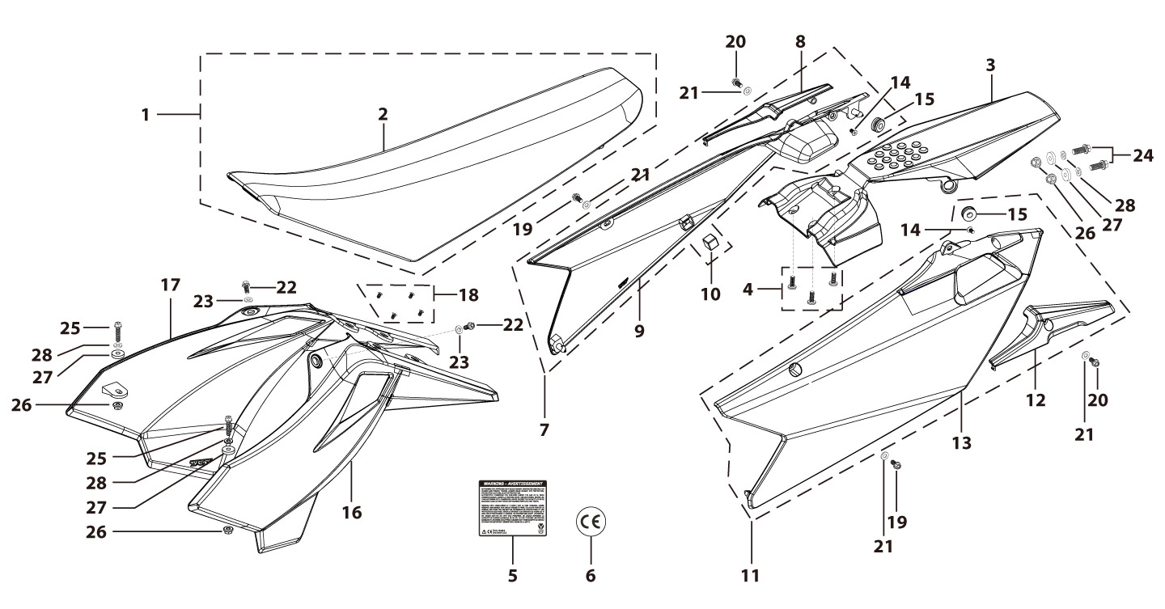
N° | Ref. | Description | Français | Picture | Qty/Bike | Rep. Pst.
1 | YC110-1401-11 | Seat assy BIGY | Selle BIGY |  | 1
2 | YC110-1414-01 | Seat cover BIGY | Housse selle BIGY |  | 1
3 | YC110-14-019-BK | Rear fender BIGY 2025 Black | Garde boue arrière BIGY 2025 Noir |  | 1
4 | GB819-M6x12-W | Countersunk cross head machine screw ,steel, M6x12mm | Vis à tête fraisée plate cruciforme ,acier,M6x12mm |  | 3
7 | YC110-14-029-BK | BIGY right side plastic assy 2025 BLACK | plaque latérale droite BIGY 2025 NOIR |  | 1
8 | YC110-1428-02-BK | Handle right side BIGY Black | Poignee plaque laterale droite Bigy |  | 1
9 | YC110-1419-02-BK | BIGY right side plastic 2025 BLACK | plaque latérale droite BIGY 2025 NOIR |  | 1
10 | YC110-14-03 | Cushion for right side plastic Black | caoutchouc plaque laterale droite Noir |  | 1
11 | YC110-14-049-BK | BIGY left side plastic assy 2025 BLACK | plaque latérale gauche BIGY 2025 NOIR |  | 1
...
N° | Ref. | Description | Français | Picture | Qty/Bike | Rep. Pst.
20 | BT08-M6x16-W | HEXAGON Torx screw with Flange M6x16mm | Vis HEXAGONALE Torx avec Flange M6x16mm |  | 2
21 | GB97-d6-W | Flat washer,steel d6mm | Rondelle plate,acier d6mm |  | 4
22 | FB5787-M5x12-W | hex.Bolt with flanged M5x12mm | Vis M5x12mm |  | 2
23 | GB97-d5-W | Flat washer,steel d5mm | Rondelle plate,acier d5mm |  | 2
24 | BT08-M6x20-W | HEXAGON Torx screw with Flange M6x20mm | Vis HEXAGONALE Torx avec Flange M6x20mm |  | 2
25 | BT08-M6x25-W | HEXAGON Torx screw with Flange M6x25mm | Vis HEXAGONALE Torx avec Flange M6x25mm |  | 2
26 | GB6177-M6-W | HEXAGON FLAT FLANGE NUT M6 steel | Ecrou HEXAGONAL avec Flange M6 acier |  | 2
27 | YC110-03-01 | Rubber washer d6mmxd18mmx4mm for seat fixation on subframe | joint caoutchouc d6mmxd18mmx4mm pour fixation selie sur boucle acier |  | 4
28 | GB96-d6-W | Flat washer,steel d6mm | Rondelle plate,acier d6mm |  | 4
ELECTRIC |  |  |  |  |  | AB
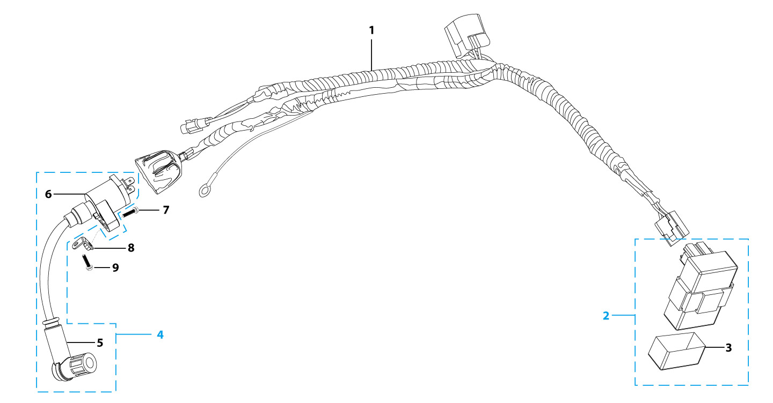
N° | Ref. | Description | Français | Picture | Qty/Bike | Rep. Pst.
1 | YC110-1501-21 | Wire harness 2020 (all kick start 2020) | Faisceaux éléctrique 2020 (toutes motos demareur kick 2020) |  | 1
2 | YC110-1503 | CDI Ignitor assy. | CDI Ignitor assy. |  | 1
3 | YC110-1501-03 | Ignitor rubber | caoutchouc cdi |  | 1
4 | YC110-1504-07 | Ignitor coil L=350mm | bobine haute tension L=350mm |  | 1
5 | YC110-1505 | anti interference red | anti parasite rouge |  | 1
6 | YC110-1504 | Ignitor coil | bobine haute tension (sans anti parasite) |  | 1
7 | BT08-M6x20-W | HEXAGON Torx screw with Flange M6x20mm | Vis HEXAGONALE Torx avec Flange M6x20mm |  | 1
8 | YC110-1506 | The Ignitor coil stents L=23mm H=17mm Black | Support Bobine Haute tension L=23mm H=17mm Noir |  | 1
9 | BT08-M6x12-W | HEXAGON Torx screw with Flange M6x12mm | Vis HEXAGONALE Torx avec Flange M6x12mm |  | 1
Frame |  |  |  |  |  | AB
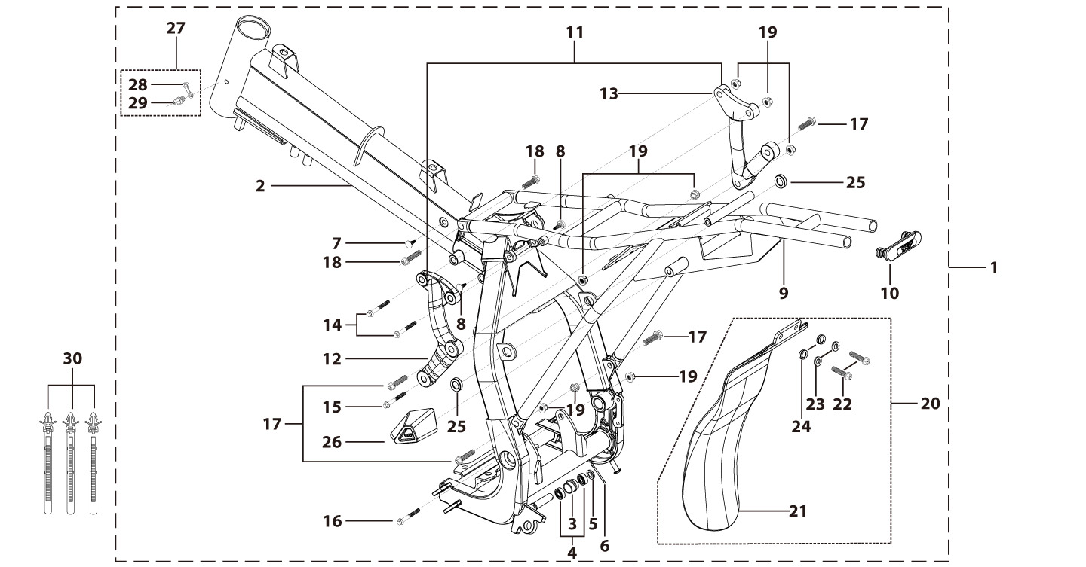
N° | Ref. | Description | Français | Picture | Qty/Bike | Rep. Pst.
1 | YC110-1621-0201-BK | Complete frame BIGY 2020 swing arm axle d15 mm Black | Cadre complet BIGY 2020 axe bras d15 mm Noir |  | 1
2 | YC110-1601-0401-BK | Chromoly steel frame BIGY 2020 Black swing arm axle d15 mm | Cadre acier chromoly BIGY 2020 Noir axe bras d15 mm |  | 1
3 | YC110-2201-02 | YCF Chain tensioner component Nylon 2020 | Roulette chaine YCF 2020 Nylon |  | 1
5 | GB97-d10-W | Flat washer,steel d10mm | Rondelle plate,acier d10mm |  | 1
6 | GB91-d2x25-W | Split pin d2.0mmx25mm | Goupille d2.0mmx25mm |  | 1
7 | YC110-1607-02 | Inverse tooth gel nail | Caps pour cadre |  | 1
8 | YC110-1607-03 | Inverse tooth gel nail | Caps pour cadre |  | 2
9 | YC110-1614-08-BK | Subframe PART STEEL BIGY Black | Boucle arriere de cadre acier BIGY Noir |  | 1
10 | YC110-1633-0101 | Rubber plug for SUBFRAME part BIGY | Embout Caoutchouc YCF boucle arriere BIGY |  | 1
...
N° | Ref. | Description | Français | Picture | Qty/Bike | Rep. Pst.
FRONT SPROCKET PROTECTION |  |  |  |  |  | AB

N° | Ref. | Description | Français | Picture | Qty/Bike | Rep. Pst.
1 | YC110-2004-01-GY | Complete YCF Crankcase Cover, LH for kick start engine GREY | CARTER ALLUMAGE complet YCF pour moteur demarage avec kick GRIS |  | 1
3 | YC110-2014-01-BK | YCF Aluminium Cap Big View Hole BLACK | Bouchon carter allumage CNC YCF NOIR |  | 1
4 | YC110-2019 | O-Ring d22x1.9 | Joint toriqued22x1.9 |  | 1
5 | YC110-1803-02-BK | YCF BI-MATERIEL Front Sprocket plastic cover for kick start engine | Protection COMPOSITE YCF PSB pour moteur demarage avec kick |  | 1
6 | GB5787-M6x40-Cr | HEXAGON screw with Flange M6x40mm Cr | Vis HEXAGONALE avec Flange M6x40mm Cr |  | 1
7 | GB5787-M6x25-Cr | HEXAGON screw with Flange M6x25mm Cr | Vis HEXAGONALE avec Flange M6x25mm Cr |  | 2
GRAPHICS |  |  |  |  |  | AB
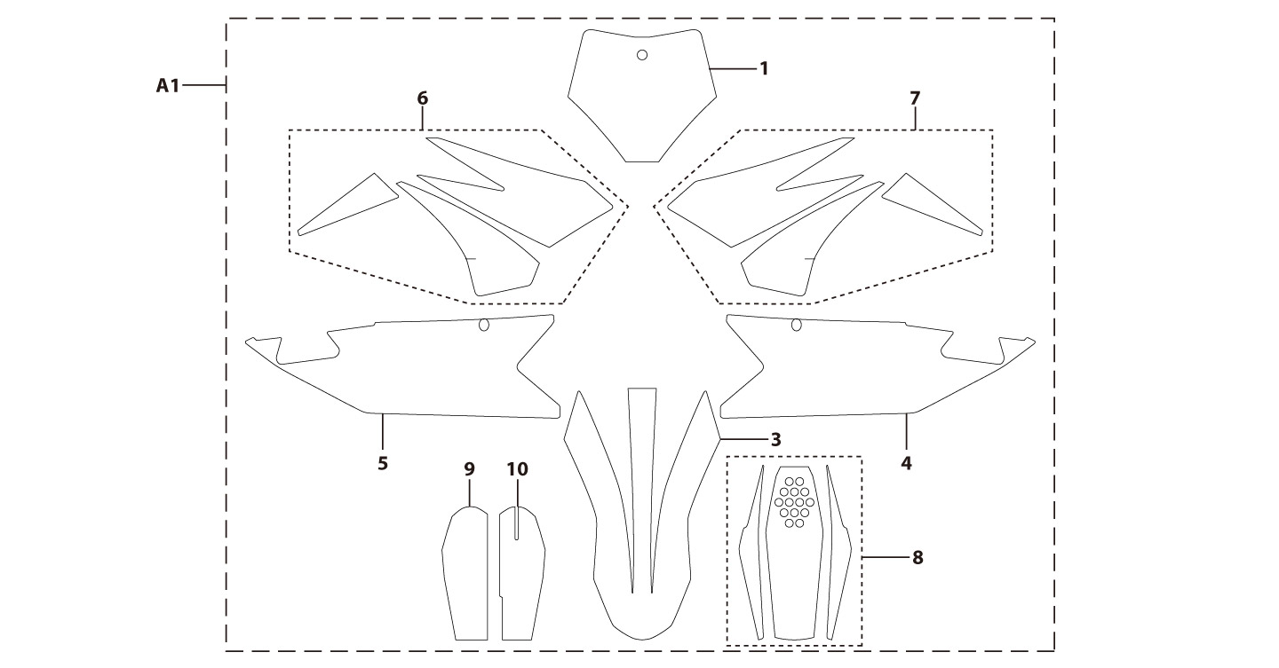
N° | Ref. | Description | Français | Picture | Qty/Bike | Rep. Pst.
A1 | KD-25-BIGY-150-STD | BIGY 150 MX complete graphic kit 2025 | Kit deco complet BIGY 150 MX 2025 |  | 1
ENGINES |  |  |  |  |  | AB
N° | Ref. | Description | Français | Picture | Qty/Bike | Rep. Pst.
1 | MOTEUR150-3 | ENGINE 150 YX | MOTEUR YX 150 |  | 1
2 | YC140-27600-SI | STEEL KICK YCF 2015 BIG HOLE | KICK ACIER 2015 GROS DIAMETRE SILVER |  | 1
3 | BT08-M8x25-W | HEXAGON Torx screw with Flange M8x25mm | Vis HEXAGONALE Torx avec Flange M8x25mm |  | 1
4 | 24700/152FMH/03 | Gearshift Pedal | SELECTEUR |  | 1
5 | BT08-M6x20-W | HEXAGON Torx screw with Flange M6x20mm | Vis HEXAGONALE Torx avec Flange M6x20mm |  | 1
CARTONS - CAISSES MOTOS |  |  |  |  |  | AB
...

